Dashboard
Product Purchasing Distribution
 | Total Sales | Total Quantity Purchased
1-2 | $88,319 | 308
3-4 | $66,182 | 321
5-6 | $22,211 | 58
7-8 | $25,060 | 73
Top 5 Orders
 | Total Sales | Total Products Purchased
1371011 | $18,601 | 7
1599043 | $14,433 | 5
1885025 | $9,714 | 2
1812007 | $7,292 | 2
1321003 | $6,275 | 3
Share of Total Sales
 | Total
In store | $183,532
Online | $18,239
Share of Total Orders
 | Total
In store | 83
Online | 17
Share of AOV
 | Total
In store | 2,211
Online | 1,073
Zero values indicate revenue that was not reported.
TOTAL SALES
$202 K
TOTAL ORDERS
100
AOV
$2,018
PRODUCT SALES ANALYSIS

2018 MoM Growth Anomoly
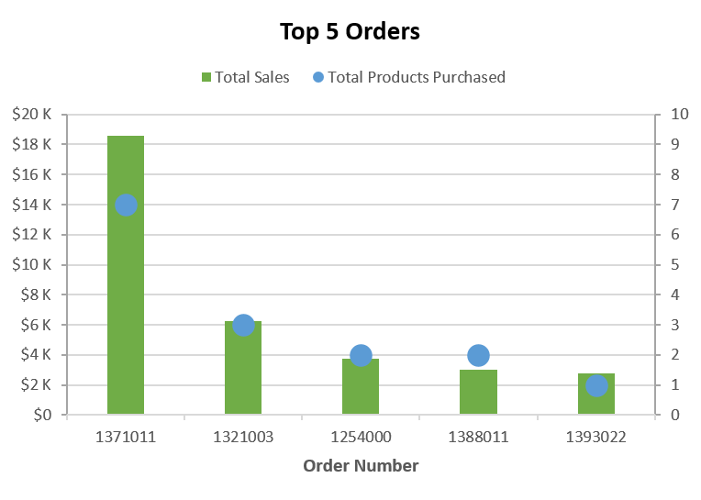
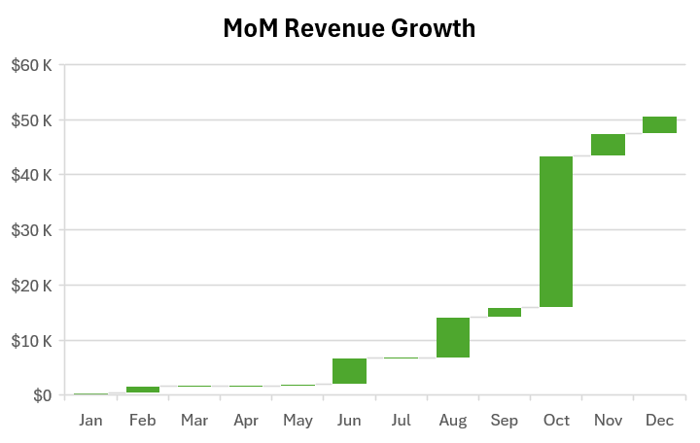
$18,601 in total sales
1,376% increase
2018 ANOMALY

